Stack
Curso | Cursando | Otorga certificado | completado | correlativa | link | Nota (en caso de haberla) | Link
CS50 P | FALSE | TRUE | FALSE |  | https://cs50.harvard.edu/python/
CS50 SQL | FALSE | TRUE | FALSE |  | https://cs50.harvard.edu/sql/
University of Helsinki Python 2025 | FALSE | TRUE | FALSE |  | https://programming-25.mooc.fi/part-2
University of Stanford Algorithms 1 (en paralelo con leetcode easy) ( SOE-YCS0009 ) | FALSE | TRUE | FALSE | CS50 X | https://www.coursera.org/learn/algorithms-divide-conquer?specialization=algorithms
The missing semester | FALSE | FALSE | FALSE |  | https://missing.csail.mit.edu/
CS50 X | FALSE | TRUE | FALSE |  | https://cs50.harvard.edu/x/
University of Stanford Algorithms 2 (en paralelo con leetcode easy/medium) ( SOE-YCS0001 ) | FALSE | TRUE | FALSE | University of Stanford Algorithms 1 (en paralelo con leetcode easy) ( SOE-YCS0009 ) | https://www.coursera.org/learn/algorithms-graphs-data-structures?specialization=algorithms
Java Univeristy of Helsinki | FALSE | TRUE | FALSE |  | https://java-programming.mooc.fi/
CS50 W | FALSE | TRUE | FALSE | CS50 X | https://cs50.harvard.edu/web/
University of Stanford Algorithms 3 (en paralelo con leetcode medium) ( SOE-YCS0003 ) | FALSE | TRUE | FALSE | University of Stanford Algorithms 2 (en paralelo con leetcode easy/medium) ( SOE-YCS0001 ) | https://www.coursera.org/learn/algorithms-greedy?specialization=algorithms
University of Stanford Algorithms 4 (en paralelo con leetcode de empresas/hard) ( SOE-YCS0004 ) | FALSE | TRUE | FALSE | University of Stanford Algorithms 3 (en paralelo con leetcode medium) ( SOE-YCS0003 ) | https://www.coursera.org/learn/algorithms-npcomplete?specialization=algorithms
MIT OCW Introduction to C and C++ | FALSE | FALSE | FALSE | CS50 X | https://ocw.mit.edu/courses/6-s096-introduction-to-c-and-c-january-iap-2013/
https://www.freecodecamp.org/learn/responsive-web-design-v9/ | FALSE | TRUE | FALSE
CS50 Cibersecurity | FALSE | TRUE | FALSE |  | https://cs50.harvard.edu/cybersecurity/
Google CyberSec | FALSE | TRUE | FALSE | CS50 Cibersecurity | https://www.coursera.org/google-certificates/cybersecurity-certificate?_gl=1*13w6vx7*_gcl_au*NDU5OTgxMDAzLjE3ODA0MzQyNDA.&action=enroll&gwg_campaign_id=null&gwg_exp=null&utm_campaign=sou--google__med--organicsearch__cam--gwgsite__con--null__ter--null&utm_medium=institutions&utm_source=google#courses
https://www.freecodecamp.org/learn/front-end-development-libraries-v9/ | FALSE | TRUE | FALSE
CS50 AI | FALSE | TRUE | FALSE | CS50 XUniversity of Stanford Algorithms 4 (en paralelo con leetcode de empresas/hard) ( SOE-YCS0004 ) | https://cs50.harvard.edu/ai/
Microsoft C# | FALSE | TRUE | FALSE | CS50 X | https://www.freecodecamp.org/learn/foundational-c-sharp-with-microsoft/
Cisco CCNA | FALSE | TRUE | FALSE | CS50 Cibersecurity | https://www.netacad.com/courses/ccna-introduction-networks?courseLang=en-US&utm_campaign=ccnacertguide&utm_source=certguide&utm_medium=Slide17-introduction-to-networks
MIT OCW Effective C & C++ programming | FALSE | FALSE | FALSE | MIT OCW Introduction to C and C++ | https://ocw.mit.edu/courses/6-s096-effective-programming-in-c-and-c-january-iap-2014/
MIT Math for Comp Sci | FALSE | FALSE | FALSE |  | https://ocw.mit.edu/courses/6-042j-mathematics-for-computer-science-fall-2010/
MIT Single Variable Calculus | FALSE | FALSE | FALSE |  | https://ocw.mit.edu/courses/18-01-single-variable-calculus-fall-2006/
MIT 6.172: Performance Engineering of Software Systems. | FALSE | FALSE | FALSE | MIT OCW Effective C & C++ programming | https://ocw.mit.edu/courses/6-172-performance-engineering-of-software-systems-fall-2018/
MIT OCW Computer Networks | FALSE | FALSE | FALSE | Cisco CCNA | https://ocw.mit.edu/courses/6-829-computer-networks-fall-2002/
MIT Computation Structures | FALSE | FALSE | FALSE |  | https://ocw.mit.edu/courses/6-004-computation-structures-spring-2017/
Stanford CS143 (Compilers) | FALSE | TRUE | FALSE |  | https://web.stanford.edu/class/cs143/
MIT Operating Systems | FALSE | FALSE | FALSE |  | https://ocw.mit.edu/courses/6-828-operating-system-engineering-fall-2012/
MIT how to cad anything (SOLIDWORKS) | FALSE | FALSE | FALSE |  | https://github.com/andyeske/How-to-CAD-Almost-Anything?tab=readme-ov-file#S1
MIT OCW | INVESTIGÁ TELECOMUNICACIONES CISCO CCNA |  |  |  | https://learn.mit.edu/dashboard/my-lists/257787
MIT CHALLENGE (para ir agregando) |  |  |  | https://www.scotthyoung.com/blog/myprojects/mit-challenge-2/
https://mainframeskillsdepot.ibm.com/ HAcé el de SysAdmin | https://elpositivo3.mitiendanube.com/?exit_preview_theme_installation

Fresadora y torno CNC | https://fullstackopen.com/en/ |  |  |  | https://www.ibeltran.com.ar/operador_CNC.php
The missing semester of your CS education | https://www.theodinproject.com/ |  |  | https://www.youtube.com/watch?v=u_SJcg673fA | https://missing.csail.mit.edu/
MIT 2.008x (Fundamentals of Manufacturing Processes) | https://undef.edu.ar/fmc/oferta-academica.php
https://openmainframeproject.org/projects/cobol-programming-course/ | https://extensionfra.com.ar/courses/informatica-forense/ |  |  | https://www.youtube.com/watch?v=EX_5KEdQkWA | https://users.ece.utexas.edu/~valvano/Volume1/E-Book/
 |  |  |  |  | https://www.youtube.com/playlist?list=PLxbwE86jKRgMpuZuLBivzlM8s2Dk5lXBQ
 |  | https://undef.edu.ar/fmc/novedad.php?id=155
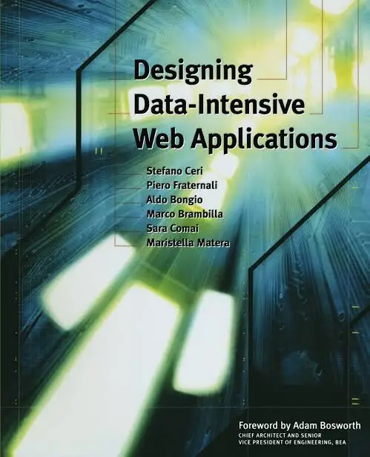
 |  |  |  |  | https://www.isabato.edu.ar/diplomatura/?seccion=3993
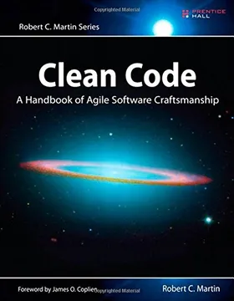

NOT RELEVANT ANYMORE |  | NOT RELEVANT ANYMORE

https://web.stanford.edu/class/cs143/
COMPILADORES (reserchear)

 |  |  |  | https://site.elearning-total.com/course/informatica-y-tecnologia-29/electronica/automatizacion-industrial/?com=et

https://en.wikipedia.org/wiki/Cybernetics

